MonocoqueToEngine
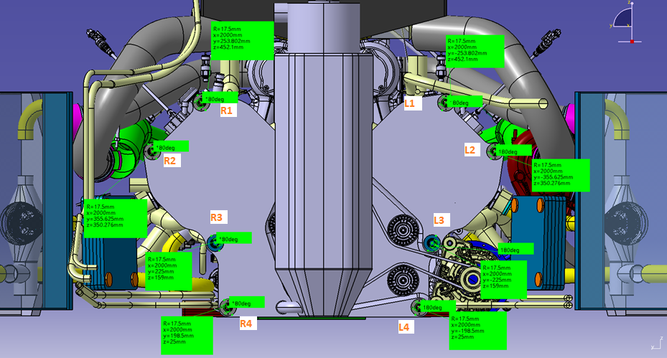
Engine Front Face - Stud Loads |  |  |  |  |  |  |  |  |  |  |  |  |  |  | Revision | 1
Face centroid |  | 2000 | 0 | 247
 |  |  |  |  |  | Bolt Axial Loads (Fx) |  |  |  |  |  |  |  | Bolt Y Shear Loads (Fy) |  |  |  |  |  |  |  | Bolt Z Shear Loads (Fz)
# | Case | ax | ay | az | Speed | L1 | L2 | L3 | L4 | R1 | R2 | R3 | R4 | L1 | L2 | L3 | L4 | R1 | R2 | R3 | R4 | L1 | L2 | L3 | L4 | R1 | R2 | R3 | R4
1 | Brake | 3.6 | 0 | 1 | 320 | -6687 | -3147 | 0 | 8160 | -6687 | -3147 | 0 | 8160 | 0 | 0 | 0 | 0 | 0 | 0 | 0 | 0 | 852 | 852 | 852 | 852 | 852 | 852 | 852 | 852
2 | Bump | 0 | 0 | 5 | 320 | -26908 | -13576 | 0 | 29015 | -26908 | -13576 | 0 | 29015 | 0 | 0 | 0 | 0 | 0 | 0 | 0 | 0 | 1127 | 1127 | 1127 | 1127 | 1127 | 1127 | 1127 | 1127
3 | Brake + Bump | 2.8 | 0 | 4 | 250 | -19235 | -9528 | 0 | 21479 | -19235 | -9528 | 0 | 21479 | 0 | 0 | 0 | 0 | 0 | 0 | 0 | 0 | 1287 | 1287 | 1287 | 1287 | 1287 | 1287 | 1287 | 1287
4 | Lateral | 0 | 3 | 1 | 320 | -1139 | 6151 | 0 | 15183 | -16141 | -14870 | 0 | 3450 | -33 | -315 | -843 | -1213 | -1169 | -888 | -359 | 11 | 1026 | 1307 | 947 | 873 | 1026 | 1307 | 947 | 873
5 | Lateral + Bump | 0 | 2.5 | 4 | 200 | -13608 | -1261 | 0 | 26303 | -26110 | -18778 | 0 | 16525 | -28 | -262 | -703 | -1011 | -974 | -740 | -299 | 9 | 1435 | 1669 | 1368 | 1307 | 1435 | 1669 | 1368 | 1307
6 | Lateral + Brake | 2.6 | 2.5 | 1 | 320 | -978 | 5275 | 0 | 13370 | -13480 | -12243 | 0 | 3592 | -28 | -262 | -703 | -1011 | -974 | -740 | -299 | 9 | 1290 | 1524 | 1223 | 1162 | 1290 | 1524 | 1223 | 1162
7 | Reverse Brake + Bump | -2.5 | 0 | 5 | 0 | -24192 | -12362 | 0 | 25426 | -24192 | -12362 | 0 | 25426 | 0 | 0 | 0 | 0 | 0 | 0 | 0 | 0 | 636 | 636 | 636 | 636 | 636 | 636 | 636 | 636
8 | Acceleration | -1.6 | 0 | 1 | 150 | -11164 | -6572 | 0 | 8096 | -11164 | -6572 | 0 | 8096 | 0 | 0 | 0 | 0 | 0 | 0 | 0 | 0 | -6 | -6 | -6 | -6 | -6 | -6 | -6 | -6
9 | Acceleration + Bump | -2 | 0 | 5 | 150 | -30857 | -16743 | 0 | 28346 | -30857 | -16743 | 0 | 28346 | 0 | 0 | 0 | 0 | 0 | 0 | 0 | 0 | 737 | 737 | 737 | 737 | 737 | 737 | 737 | 737
10 | Single wheel bump RL (manual) | 0 | 0 | 5 | 320 | -26303 | -13270 | 0 | 28362 | -26303 | -13270 | 0 | 28362 | -4823 | -2433 | 2056 | 5201 | 4823 | 2433 | -2056 | -5201 | -3091 | -5481 | -2415 | -1793 | -3091 | -5481 | -2415 | -1793

 |  |  |  |  |  | Resultant Shear Loads (Fyz) |  |  |  |  |  |  |  | Required tightening axial load (Fa) |  |  |  |  |  |  |  | Limit tightening axial load (Fa_lim)
# | Case |  |  |  |  | L1 | L2 | L3 | L4 | R1 | R2 | R3 | R4 | L1 | L2 | L3 | L4 | R1 | R2 | R3 | R4 | L1 | L2 | L3 | L4 | R1 | R2 | R3 | R4
1 | Brake |  |  |  |  | 852 | 852 | 852 | 852 | 852 | 852 | 852 | 852 | 6114 | 6114 | 6114 | 6114 | 6114 | 6114 | 6114 | 6114 | 2184 | 2184 | 2184 | 2184 | 2184 | 2184 | 2184 | 2184
2 | Bump |  |  |  |  | 1127 | 1127 | 1127 | 1127 | 1127 | 1127 | 1127 | 1127 | 8088 | 8088 | 8088 | 8088 | 8088 | 8088 | 8088 | 8088 | 2889 | 2889 | 2889 | 2889 | 2889 | 2889 | 2889 | 2889
3 | Brake + Bump |  |  |  |  | 1287 | 1287 | 1287 | 1287 | 1287 | 1287 | 1287 | 1287 | 9242 | 9242 | 9242 | 9242 | 9242 | 9242 | 9242 | 9242 | 3301 | 3301 | 3301 | 3301 | 3301 | 3301 | 3301 | 3301
4 | Lateral |  |  |  |  | 1027 | 1345 | 1268 | 1495 | 1555 | 1580 | 1012 | 873 | 7371 | 9655 | 9101 | 10733 | 11167 | 11345 | 7268 | 6270 | 2632 | 3448 | 3250 | 3833 | 3988 | 4052 | 2596 | 2239
5 | Lateral + Bump |  |  |  |  | 1435 | 1689 | 1538 | 1653 | 1734 | 1826 | 1401 | 1307 | 10301 | 12130 | 11043 | 11865 | 12450 | 13107 | 10056 | 9386 | 3679 | 4332 | 3944 | 4238 | 4446 | 4681 | 3591 | 3352
6 | Lateral + Brake |  |  |  |  | 1290 | 1546 | 1411 | 1541 | 1616 | 1694 | 1259 | 1162 | 9261 | 11103 | 10129 | 11061 | 11603 | 12163 | 9042 | 8345 | 3308 | 3965 | 3617 | 3950 | 4144 | 4344 | 3229 | 2980
7 | Reverse Brake + Bump |  |  |  |  | 636 | 636 | 636 | 636 | 636 | 636 | 636 | 636 | 4568 | 4568 | 4568 | 4568 | 4568 | 4568 | 4568 | 4568 | 1631 | 1631 | 1631 | 1631 | 1631 | 1631 | 1631 | 1631
8 | Acceleration |  |  |  |  | 6 | 6 | 6 | 6 | 6 | 6 | 6 | 6 | 45 | 45 | 45 | 45 | 45 | 45 | 45 | 45 | 16 | 16 | 16 | 16 | 16 | 16 | 16 | 16
9 | Acceleration + Bump |  |  |  |  | 737 | 737 | 737 | 737 | 737 | 737 | 737 | 737 | 5290 | 5290 | 5290 | 5290 | 5290 | 5290 | 5290 | 5290 | 1889 | 1889 | 1889 | 1889 | 1889 | 1889 | 1889 | 1889
10 | Single wheel bump RL (manual) |  |  |  |  | 5729 | 5997 | 3172 | 5501 | 5729 | 5997 | 3172 | 5501 | 41131 | 43057 | 22773 | 39498 | 41131 | 43057 | 22773 | 39498 | 14690 | 15377 | 8133 | 14106 | 14690 | 15377 | 8133 | 14106

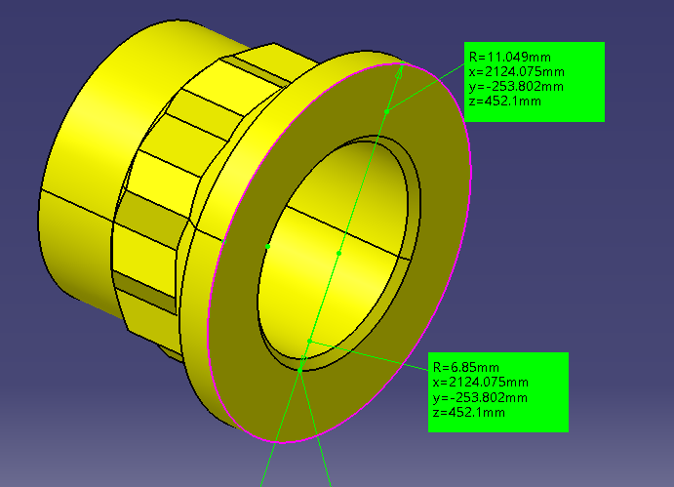
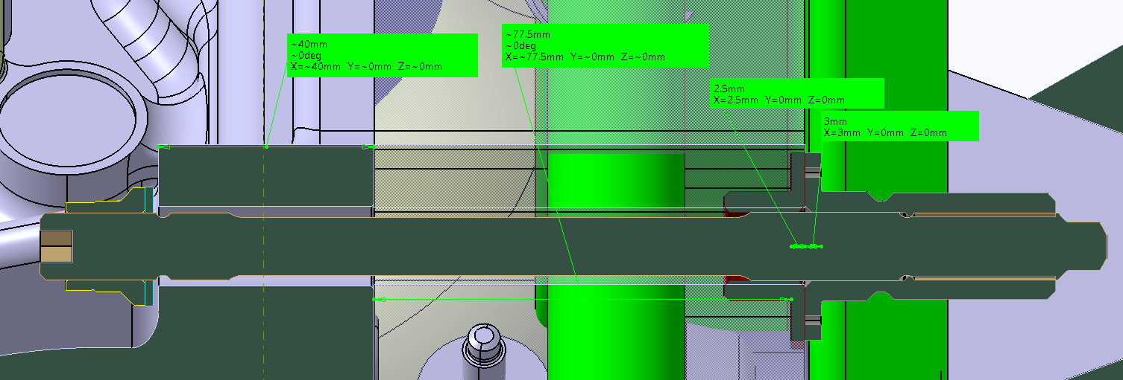
 |  |  |  |  |  |  | MAX AXIAL LOAD |  | 29015 | N |  |  |  | Fa |  | 43057 | N |  |  |  |  | Fa_lim |  | 15377 | N
 | Input data |  |  |  |  |  | MIN AXIAL LOAD |  | -30857 | N
 | Tightening interface
 | Steel-steel friction coefficient | 0.39 | -
 | SF | 2.8 | -
 | Required axial load | 43057 | N

 | Thread data
 | Mean diameter | 11.875 | mm
 | Root diameter | 11.143 | mm
 | Pitch | 1.27 | mm
 | Helix angle | 30 | °
 | Thread friction coefficient | 0.12

 | Nut data
 | Outer contact diameter | 22.098 | mm
 | Inner contact diameter | 13.7 | mm
 | Nut friction coefficient | 0.12 | -
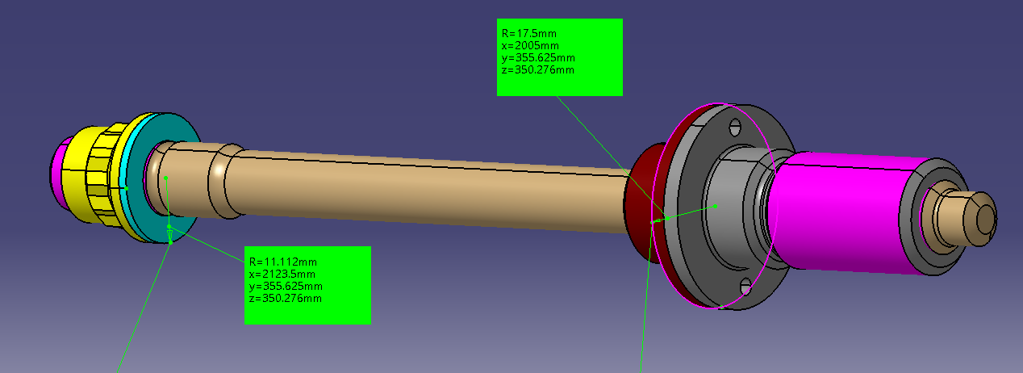
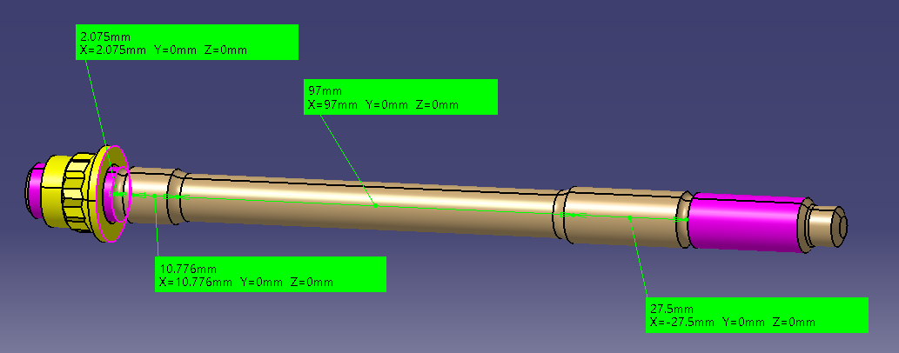
 | Nut friction diameter | 17.899 | mm |  |  | 44126.649952 | 50783.760403
 |  |  |  |  |  |  | 49552.339606
 | Tightening torque | 90366.91 | Nmm | Belingardi
 | Tightening torque | 90.37 | Nm | Belingardi

 | Screw and clamped members compliance

 | Washer external diameter | 22.224 | mm
 | Washer thickness | 1.575 | mm
 | Top hats diameter | 35 | mm
 | Top hats thickness | 5.5 | mm
 | Top hats and washer Young modulus | 210000 | MPa
 | Hole diameter | 13.5 | mm
 | Aluminum clamped member Young modulus | 70000 | MPa
 | Aluminum clamped member thickness | 120 | mm
 | Total clamped members thickness | 127.075 | mm
 | Clamped member area | 2582.2563646 | mm^2
 | Clamped member compliance | 6.7401370922E-07 | mm/N

 | Stud Young modulus | 210000 | MPa
 | Stud min section length | 97 | mm
 | Stud min section area | 95.033177771 | mm^2
 | Stud threaded area | 110.75341289 | mm^2
 | Stud threaded length | 2.075 | mm
 | Stud positioning diameter | 12.8 | mm
 | Stud positioning area | 128.67963509 | mm
 | Stud positioning length | 10.776 | mm
 | Stud shear length | 27.5 | mm
 | Stud shear diameter | 13 | mm
 | Stud shear area | 132.73228961 | mm^2
 | Stud compliance | 6.5534568747E-06 | mm/N

 | Unscrew verification

 | Uncertainty from tightening
 | Tightening torque uncertainty | 4 | %
 | Axial load from uncertainty reduction | 42884.426278 | N

 | Reduction of axial force from clamping
 | Reduction of clamping interference | 0.000035 | mm
 | Reduction of clamping force | 4.8426347217 | N

 | External load distribution
 | delta C screw | 2706 | N
 | delta C clamped members | 26309 | N |  |  |  |  |  |  |  | Working diagram
 |  |  |  |  |  |  |  |  |  |  | Screw |  | Clamp
 | Resultant clamping force | 16571 | N |  |  |  |  |  |  |  | i | Force | i | Force | Force
 |  |  |  |  |  |  |  |  |  |  | [mm] | [N] | [mm] | [N] | [N]
 |  |  |  |  |  |  |  |  |  |  | 0 | 0 | 0 | 0 | 14836.493477
 | Stud strenght |  |  |  |  |  |  |  |  |  | 0.01 | 1525.9122309 | 0.01 | -14836.493477 | 0

 | Minimum diameter | 11 | mm
 | Root area | 97.520101 | mm^2
 | Minimum area | 95.033177771 | mm^2
 | Yield strength | 1172 | MPa
 | Stud Young modulus | 210000 | MPa

 | Loads
 | Stud tightening torque | 90366.91 | Nmm
 | Thread torque | 44126.65 | Nmm
 | Peak stud axial load - tightening | 43057 | N
 | Peak stud axial load - operation | 45763 | N

 | Stress
 | Normal stress - minimum section | 481.5 | MPa
 | Torsional stress - minimum section | 162.4 | MPa
 | Equivalent stress - minimum section | 557.7 | MPa
 | Normal stress - threaded section | 441.5 | MPa
 | Torsional stress - threaded section | 332.6 | MPa
 | Equivalent stress - threaded section (Von Mises) | 725.9 | MPa

 | SF
 | Yield SF - operation | 2.10
 | Yield SF - tightening | 1.61

 | Stud strenght

 | Shear area | 13 | mm
 | Shear area | 132.73228961 | mm^2
 | Yield strength | 1172 | MPa
 | Stud Young modulus | 210000 | MPa

 | Loads
 | Peak shear load | 22773 | N

 | Stress
 | Shear stress | 228.7582518 | MPa
 | Equivalent stress - threaded section (Von Mises) | 396.22091477 | MPa

 | SF
 | Yield SF | 2.9579458234

EngineToBellhousing
Face centroid |  | 2534.5 | 0 | 239.45 |  | Worst case for loads found to be: |  |  |  | Roll balance |  | 0.65 | Brake bias |  | 0.52 |  | RHF | 60 | RHR | 60

 |  |  |  |  |  | Bolt Axial Loads (Fx) |  |  |  |  |  |  |  | Bolt Y Shear Loads (Fy) |  |  |  |  |  |  |  | Bolt Z Shear Loads (Fz)
# | Case | ax | ay | az | Speed | L1 | L2 | L3 | L4 | R1 | R2 | R3 | R4 | L1 | L2 | L3 | L4 | R1 | R2 | R3 | R4 | L1 | L2 | L3 | L4 | R1 | R2 | R3 | R4
1 | Brake | 3.6 | 0 | 1 | 320 | -536 | 636 | 2433 | 4134 | -536 | 636 | 2433 | 4134 | 0 | 0 | 0 | 0 | 0 | 0 | 0 | 0 | 1521 | 1521 | 1521 | 1521 | 1521 | 1521 | 1521 | 1521
2 | Bump | 0 | 0 | 5 | 320 | -17620 | -8248 | 6130 | 19739 | -17620 | -8248 | 6130 | 19739 | 0 | 0 | 0 | 0 | 0 | 0 | 0 | 0 | 3267 | 3267 | 3267 | 3267 | 3267 | 3267 | 3267 | 3267
3 | Brake + Bump | 2.8 | 0 | 4 | 250 | -9407 | -3714 | 5020 | 13287 | -9407 | -3714 | 5020 | 13287 | 0 | 0 | 0 | 0 | 0 | 0 | 0 | 0 | 2943 | 2943 | 2943 | 2943 | 2943 | 2943 | 2943 | 2943
4 | Lateral | 0 | 3 | 1 | 320 | -1313 | 3788 | 5961 | 9193 | -10395 | -9269 | -1888 | 3922 | -1092 | -1418 | -1918 | -2391 | -2318 | -1992 | -1492 | -1018 | 1739 | 2065 | 1638 | 1426 | 1739 | 2065 | 1638 | 1426
5 | Lateral + Bump | 0 | 2.5 | 4 | 200 | -9120 | -600 | 7759 | 16652 | -16688 | -11481 | 1219 | 12259 | -910 | -1182 | -1598 | -1993 | -1931 | -1660 | -1243 | -849 | 3060 | 3332 | 2976 | 2800 | 3060 | 3332 | 2976 | 2800
6 | Lateral + Brake | 2.6 | 2.5 | 1 | 320 | 1771 | 5139 | 5593 | 7004 | -5797 | -5743 | -947 | 2611 | -910 | -1182 | -1598 | -1993 | -1931 | -1660 | -1243 | -849 | 1995 | 2267 | 1911 | 1735 | 1995 | 2267 | 1911 | 1735
7 | Reverse Brake + Bump | -2.5 | 0 | 5 | 0 | -18401 | -9229 | 4841 | 18159 | -18401 | -9229 | 4841 | 18159 | 0 | 0 | 0 | 0 | 0 | 0 | 0 | 0 | 2476 | 2476 | 2476 | 2476 | 2476 | 2476 | 2476 | 2476
8 | Acceleration | -1.6 | 0 | 1 | 150 | -10278 | -5881 | 865 | 7250 | -10278 | -5881 | 865 | 7250 | 0 | 0 | 0 | 0 | 0 | 0 | 0 | 0 | 428 | 428 | 428 | 428 | 428 | 428 | 428 | 428
9 | Acceleration + Bump | -2 | 0 | 5 | 150 | -23718 | -12440 | 4863 | 21240 | -23718 | -12440 | 4863 | 21240 | 0 | 0 | 0 | 0 | 0 | 0 | 0 | 0 | 2642 | 2642 | 2642 | 2642 | 2642 | 2642 | 2642 | 2642
10 | Single wheel bump RL (manual) | 0 | 0 | 5 | 320 | -13970 | -6539 | 4860 | 15649 | -13970 | -6539 | 4860 | 15649 | -5491 | -2570 | 1910 | 6151 | 5491 | 2570 | -1910 | -6151 | -3806 | -6727 | -2900 | -1007 | -3806 | -6727 | -2900 | -1007

 |  |  |  |  |  | Bolt Shear Loads (Fyz) |  |  |  |  |  |  |  | Required tightening axial load (Fa) |  |  |  |  |  |  |  | Limit tightening axial load (Fa_lim)
# | Case |  |  |  |  | L1 | L2 | L3 | L4 | R1 | R2 | R3 | R4 | L1 | L2 | L3 | L4 | R1 | R2 | R3 | R4 | L1 | L2 | L3 | L4 | R1 | R2 | R3 | R4
1 | Brake |  |  |  |  | 1521 | 1521 | 1521 | 1521 | 1521 | 1521 | 1521 | 1521 | 7799 | 7799 | 7799 | 7799 | 7799 | 7799 | 7799 | 7799 | 3899 | 3899 | 3899 | 3899 | 3899 | 3899 | 3899 | 3899
2 | Bump |  |  |  |  | 3267 | 3267 | 3267 | 3267 | 3267 | 3267 | 3267 | 3267 | 16755 | 16755 | 16755 | 16755 | 16755 | 16755 | 16755 | 16755 | 8377 | 8377 | 8377 | 8377 | 8377 | 8377 | 8377 | 8377
3 | Brake + Bump |  |  |  |  | 2943 | 2943 | 2943 | 2943 | 2943 | 2943 | 2943 | 2943 | 15091 | 15091 | 15091 | 15091 | 15091 | 15091 | 15091 | 15091 | 7545 | 7545 | 7545 | 7545 | 7545 | 7545 | 7545 | 7545
4 | Lateral |  |  |  |  | 2053 | 2505 | 2522 | 2784 | 2897 | 2869 | 2215 | 1752 | 10529 | 12844 | 12933 | 14279 | 14858 | 14712 | 11359 | 8987 | 5264 | 6422 | 6467 | 7140 | 7429 | 7356 | 5680 | 4493
5 | Lateral + Bump |  |  |  |  | 3192 | 3535 | 3378 | 3436 | 3619 | 3722 | 3225 | 2925 | 16371 | 18128 | 17322 | 17623 | 18557 | 19088 | 16538 | 15002 | 8186 | 9064 | 8661 | 8811 | 9278 | 9544 | 8269 | 7501
6 | Lateral + Brake |  |  |  |  | 2193 | 2556 | 2491 | 2642 | 2777 | 2809 | 2279 | 1931 | 11245 | 13108 | 12775 | 13549 | 14240 | 14407 | 11689 | 9903 | 5622 | 6554 | 6387 | 6774 | 7120 | 7203 | 5845 | 4951
7 | Reverse Brake + Bump |  |  |  |  | 2476 | 2476 | 2476 | 2476 | 2476 | 2476 | 2476 | 2476 | 12696 | 12696 | 12696 | 12696 | 12696 | 12696 | 12696 | 12696 | 6348 | 6348 | 6348 | 6348 | 6348 | 6348 | 6348 | 6348
8 | Acceleration |  |  |  |  | 428 | 428 | 428 | 428 | 428 | 428 | 428 | 428 | 2194 | 2194 | 2194 | 2194 | 2194 | 2194 | 2194 | 2194 | 1097 | 1097 | 1097 | 1097 | 1097 | 1097 | 1097 | 1097
9 | Acceleration + Bump |  |  |  |  | 2642 | 2642 | 2642 | 2642 | 2642 | 2642 | 2642 | 2642 | 13550 | 13550 | 13550 | 13550 | 13550 | 13550 | 13550 | 13550 | 6775 | 6775 | 6775 | 6775 | 6775 | 6775 | 6775 | 6775
10 | Single wheel bump RL (manual) |  |  |  |  | 6681 | 7201 | 3473 | 6233 | 6681 | 7201 | 3473 | 6233 | 34264 | 36930 | 17809 | 31966 | 34264 | 36930 | 17809 | 31966 | 17132 | 18465 | 8905 | 15983 | 17132 | 18465 | 8905 | 15983

 |  |  |  |  |  |  | MAX AXIAL LOAD |  | 21240 | N |  |  |  | Fa |  | 36930 | N |  |  |  |  | Fa_lim |  | 18465 | N
 | Input data |  |  |  |  |  | MIN AXIAL LOAD |  | -23718 | N
 | Tightening interface
 | Steel-steel friction coefficient | 0.39 | -
 | SF | 2 | -
 | Required axial load | 36930 | N

 | Thread data
 | Mean diameter | 11.875 | mm
 | Root diameter | 11.143 | mm
 | Pitch | 1.27 | mm
 | Helix angle | 30 | °
 | Thread friction coefficient | 0.12

 | Nut data
 | Outer contact diameter | 22.098 | mm
 | Inner contact diameter | 13.7 | mm
 | Nut friction coefficient | 0.12 | -
 | Nut friction diameter | 17.899 | mm

 | Tightening torque | 77509.20 | Nmm | Belingardi
 | Tightening torque | 77.51 | Nm | Belingardi
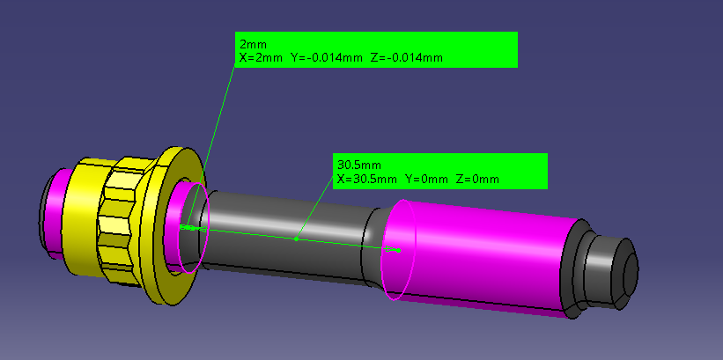
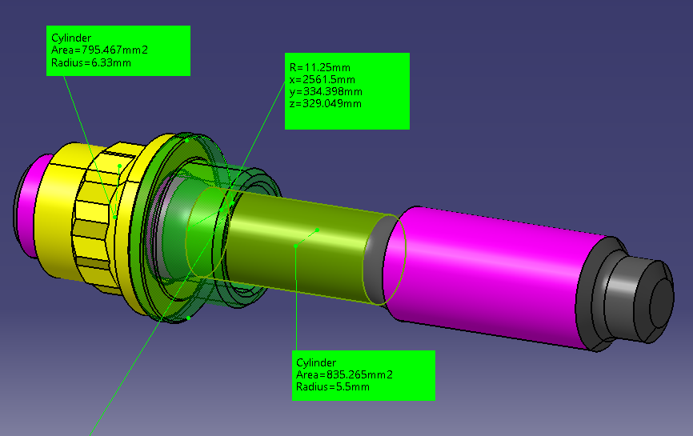

 | Screw and clamped members compliance

 | Washer external diameter | 22.224 | mm
 | Washer thickness | 0 | mm
 | Top hats diameter | 22.5 | mm
 | Top hats thickness | 2 | mm
 | Top hats and washer Young modulus | 210000 | MPa
 | Hole diameter | 13 | mm
 | Aluminum clamped member Young modulus | 70000 | MPa
 | Aluminum clamped member thickness | 27 | mm
 | Total clamped members thickness | 29 | mm
 | Clamped member area | 602.47064395 | mm^2
 | Clamped member compliance | 6.5602880274E-07 | mm/N

 | Stud Young modulus | 210000 | MPa
 | Stud min section length | 30.5 | mm
 | Stud min section area | 95.033177771 | mm^2
 | Stud threaded area | 110.75341289 | mm^2
 | Stud threaded length | 2 | mm
 | Stud positioning diameter | 12.8 | mm
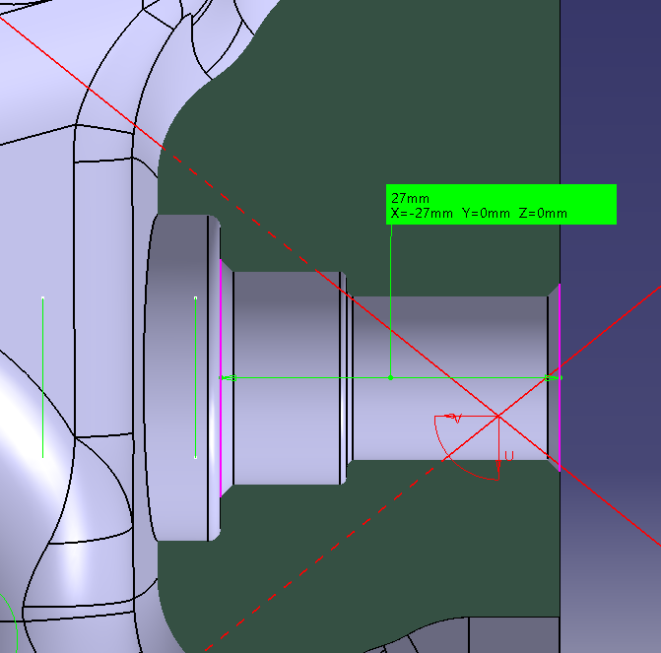
 | Stud positioning area | 128.67963509 | mm
 | Stud positioning length | 0 | mm
 | Stud shear length | 0 | mm
 | Stud shear diameter | 13 | mm
 | Stud shear area | 132.73228961 | mm^2
 | Stud compliance | 1.8326968652E-06 | mm/N

 | Unscrew verification

 | Uncertainty from tightening
 | Tightening torque uncertainty | 4 | %
 | Axial load from uncertainty reduction | 36782.682355 | N

 | Reduction of axial force from clamping
 | Reduction of clamping interference | 0.000035 | mm
 | Reduction of clamping force | 14.063422277 | N

 | External load distribution
 | delta C screw | 5599 | N
 | delta C clamped members | 15641 | N

 | Resultant clamping force | 21127 | N

 | Stud strenght

 | Root area
 | Minimum diameter | 11 | mm
 | Root area | 97.520101 | mm^2
 | Minimum area | 95.033177771 | mm^2
 | Yield strength | 1172 | MPa
 | Stud Young modulus | 210000 | MPa

 | Loads
 | Stud tightening torque | 77509.20 | Nmm
 | Thread torque | 37848.16 | Nmm
 | Peak stud axial load - tightening | 36930 | N
 | Peak stud axial load - operation | 42529 | N

 | Stress
 | Normal stress - minimum section | 447.5 | MPa
 |  | 139.3 | MPa
 | Equivalent stress - minimum section | 508.4 | MPa
 | Normal stress - threaded section | 378.7 | MPa
 | Torsional stress - threaded section | 285.3 | MPa
 | Equivalent stress - threaded section (Von Mises) | 622.6 | MPa

 | SF
 | Yield SF - operation | 2.31
 | Yield SF - tightening | 1.88

 | Stud strenght

 | Shear area | 13 | mm
 | Shear area | 132.73228961 | mm^2
 | Yield strength | 1172 | MPa
 | Stud Young modulus | 210000 | MPa

 | Loads
 | Peak shear load | 17809 | N

 | Stress
 | Shear stress | 178.89824476 | MPa
 | Equivalent stress - threaded section (Von Mises) | 309.86084931 | MPa

 | SF
 | Yield SF | 3.7823429537

Sheet1
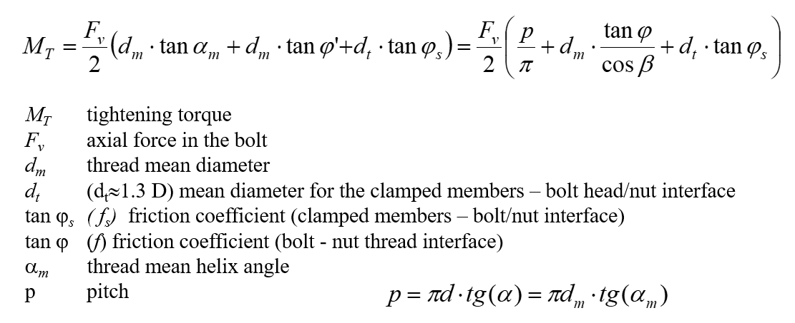
Thread data
Mean diameter | 11.875 | mm
Root diameter | 11.143 | mm
Pitch | 1.27 | mm
Helix angle | 30 | °
Thread friction coefficient | 0.12

Nut data
Outer contact diameter | 22.098 | mm
Inner contact diameter | 13.7 | mm
Nut friction coefficient | 0.12 | -
Nut friction diameter | 17.899 | mm

Chosen tightening torque | 90 | Nm
 | 90000 | Nmm
Axial load | 42881.832351
Peak external load | 6000 | N
Thread torque | 43947.484965 | Nmm
 | 43.947484965 | Nm

Stud strenght

Minimum diameter | 11 | mm
Root area | 97.520101 | mm^2
Minimum area | 95.033177771 | mm^2
Yield strength | 1172 | MPa
Stud Young modulus | 210000 | MPa

Loads
Stud tightening torque | 90000.00 | Nmm
Thread torque | 43947.48 | Nmm
Peak stud axial load - tightening | 42882 | N
Peak stud axial load - operation | 48882 | N

Stress
Normal stress - minimum section | 514.4 | MPa
Torsional stress - minimum section | 168.2 | MPa
Equivalent stress - minimum section | 591.1 | MPa
Normal stress - threaded section | 439.7 | MPa
Torsional stress - threaded section | 331.3 | MPa
Equivalent stress - threaded section (Von Mises) | 722.9 | MPa

SF
Yield SF - operation | 1.98
Yield SF - tightening | 1.62

